RESULTS
Component | No. of Customer/s | Load Connected (kW) | Component | ʎ(f/yr) | r(hrs) | Case | Scenario | Switching Time | Case | SAIFI (int/customer-yr) | SAIDI (hours/customer-yr) | CAIDI (hours/customer-interruption) | ASUI | ASAI | ASCI (kWh/customer-yr) | ENS (kWh)
M1 | 34,855 | 19,085.83 | A-B | 0.6 | 2.5 | Base Case | Base Scenario | 0.333hrs | Base Case | 3.90 | 10.050000 | 2.576923 | 0.001147 | 0.998853 | 5.067414 | 520,996.02
M2 | 1 | 2,585.36 | B-C | 0.4 | 2 | Case01 | DS@ B-C |  | Case 01 | 3.90 | 8.818872 | 2.261249 | 0.001007 | 0.998993 | 4.461932 | 458,744.67
M3 | 7,899 | 2,575.86 | C-D | 0.4 | 2 | Case 02 | Case 01 & DS @ C-D |  | Case 02 | 3.90 | 8.818865 | 2.261248 | 0.001007 | 0.998993 | 4.445165 | 457,020.75
M4 | 8,746 | 9,494.65 | B-E | 0.3 | 4 | Case03 | Case 02 & DS @ B-E |  | Case 03 | 3.90 | 6.274890 | 1.608946 | 0.000716 | 0.999284 | 3.002436 | 308,689.42
M5 | 11,141 | 3,741.32 | E-F | 0.3 | 3 | Case04 | Case 03 & DS @ E-F |  | Case 04 | 3.90 | 5.848075 | 1.499506 | 0.000668 | 0.999332 | 2.539085 | 261,050.96
M6 | 7,223 | 2,795.99 | F-G | 0.6 | 2.5 | Case05 | Case 04 & DS @ F-G |  | Case 05 | 3.90 | 5.340062 | 1.369247 | 0.000610 | 0.999390 | 2.357518 | 242,383.50
M7 | 32,947 | 9,850.62 | F-H | 0.5 | 3 | Case06 | Case 05 & DS @ F-H |  | Case 06 | 3.90 | 5.023960 | 1.288195 | 0.000574 | 0.999426 | 2.251366 | 231,469.69
M8 | 1 | 1,710.77 | H-I | 0.3 | 3 | Case07 | Case 06 & DS @ H-I |  | Case 07 | 3.90 | 4.968916 | 1.274081 | 0.000567 | 0.999433 | 2.230059 | 229,279.03
 |  |  | I-J | 0.2 | 1 | Case08 | Case 07 & DS @ I-K |  | Case 08 | 3.90 | 4.704378 | 1.206251 | 0.000537 | 0.999463 | 2.146013 | 220,638.07
 |  |  | I-K | 0.3 | 2.5
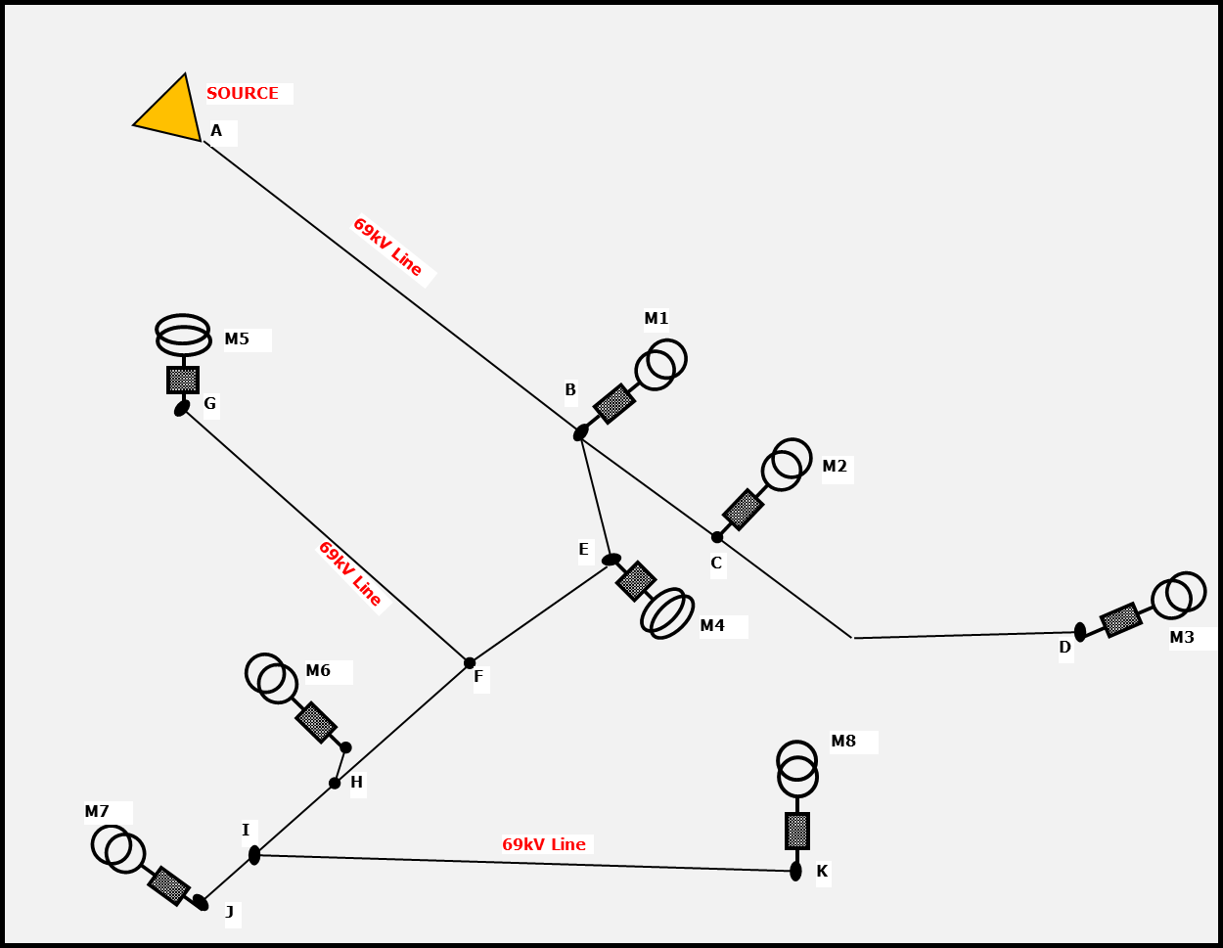

 |  |  |  |  |  |  |  |  | BASE CASE | U (hours/year) |  | CASE 1 | U (hours/year) |  | CASE 2 | U (hours/year) | CASE 3 | U (hours/year) | CASE 4 | U (hours/year)
 |  |  |  |  |  |  |  |  | M1 | 10.05 |  | M1 | 8.7164 |  | M1 | 8.7164 | M1 | 2.5989 | M1 | 2.5989
 |  |  |  |  |  |  |  |  | M2 | 10.05 |  | M2 | 10.05 |  | M2 | 9.3832 | M2 | 3.2657 | M2 | 3.2657
 |  |  |  |  |  |  |  |  | M3 | 10.05 |  | M3 | 10.05 |  | M3 | 10.05 | M3 | 3.9325 | M3 | 3.9325
 |  |  |  |  |  |  |  |  | M4 | 10.05 |  | M4 | 8.7164 |  | M4 | 8.7164 | M4 | 8.7164 | M4 | 3.699
 |  |  |  |  |  |  |  |  | M5 | 10.05 |  | M5 | 8.7164 |  | M5 | 8.7164 | M5 | 8.7164 | M5 | 8.7164
 |  |  |  |  |  |  |  |  | M6 | 10.05 |  | M6 | 8.7164 |  | M6 | 8.7164 | M6 | 8.7164 | M6 | 8.7164
 |  |  |  |  |  |  |  |  | M7 | 10.05 |  | M7 | 8.7164 |  | M7 | 8.7164 | M7 | 8.7164 | M7 | 8.7164
 |  |  |  |  |  |  |  |  | M8 | 10.05 |  | M8 | 8.7164 |  | M8 | 8.7164 | M8 | 8.7164 | M8 | 8.7164

 |  |  |  |  |  |  |  |  | CASE 5 | U (hours/year) |  | CASE 6 | U (hours/year) |  | CASE 7 | U (hours/year) | CASE 8 | U (hours/year)
 |  |  |  |  |  |  |  |  | M1 | 2.5989 |  | M1 | 2.5989 |  | M1 | 2.5989 | M1 | 2.5989
 |  |  |  |  |  |  |  |  | M2 | 3.2657 |  | M2 | 3.2657 |  | M2 | 3.2657 | M2 | 3.2657
 |  |  |  |  |  |  |  |  | M3 | 3.9325 |  | M3 | 3.9325 |  | M3 | 3.9325 | M3 | 3.9325
 |  |  |  |  |  |  |  |  | M4 | 3.699 |  | M4 | 3.699 |  | M4 | 3.699 | M4 | 3.699
 |  |  |  |  |  |  |  |  | M5 | 8.7164 |  | M5 | 5.7993 |  | M5 | 5.7993 | M5 | 5.7993
 |  |  |  |  |  |  |  |  | M6 | 7.4162 |  | M6 | 7.4162 |  | M6 | 6.6327 | M6 | 5.8326
 |  |  |  |  |  |  |  |  | M7 | 7.4162 |  | M7 | 7.4162 |  | M7 | 7.4162 | M7 | 6.7661
 |  |  |  |  |  |  |  |  | M8 | 7.4162 |  | M8 | 7.4162 |  | M8 | 7.4162 | M8 | 7.4162

